Introduction
The Flaw of Averages in Estimated Taxes
Michael H. Salama
Estimated tax payment planning in the face of uncertain revenue illustrates a classic example of the Flaw of Averages. When a single point estimate is substituted for the uncertainty, the non-linearities of the calculation assure that the average cost is more than the cost associated with the average revenue.
Many individuals and most corporate income tax payors pay their state and federal income taxes in quarterly installments. There is generally a penalty on either side of missing the estimate, a so called "Double-Whammy". And, missing the estimate is common where an average value is used. Underpaying: Corporations that underpay their estimate taxes need to add a penalty to the taxes. This is generally equal to the amount of the underpayment interest rate times the amount of the underpayment for the period of underpayment.
Overpaying: If you overpay your estimated taxes you lose the use of funds. So there is a cost for overpaying. This might be partially offset by the government providing you with a modest amount of interest on the overpayment; but, the rates are typically modest. In this context it is important to understand whether there is a difference between the underpayment penalty and the financial penalty for overpaying.
This example uses SIP math to create an interactive stochastic model to illustrate this concept. Further substantive analysis on this specific concept is discussed in Salama, Michael, The Flaw of Averages in U.S. Corporate Income Taxes: An Evaluation From the Taxpayer's Perspective, 30 Virginia Tax Review 631 (2011).
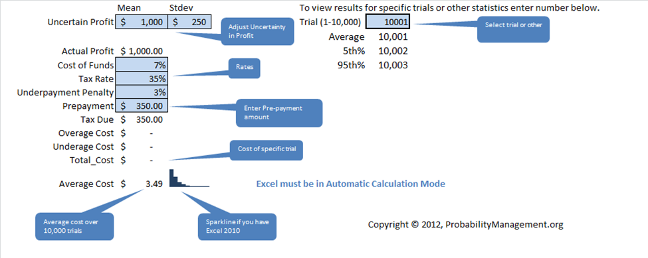

Copyright © 2012, ProbabilityManagement.org

www.ProbabilityManagement.org

Model
Adjust Uncertainty in Profit
Select trial or other statistc to vew
 | Mean | Stdev |  | To view results for specific trials or other statistics enter number below.
Uncertain Profit | $1,000 | $250 |  | Trial (1-10,000) | 10001 | SNormal01
 |  |  |  | Average | 10,001
Actual Profit | $1,000.00 |  |  | 5th% | 10,002 | -6.5725203058E-18
Rates
Cost of Funds | 7% |  |  | 95th% | 10,003
Tax Rate | 35%
Underpayment Penalty | 3%
Enter Pre-payment amount
Prepayment | $350.00
Tax Due | $350.00
Overage Cost | $-
Cost of specific trial
Underage Cost | $-
Total_Cost | $-
Average Cost | $3.49 |  | Excel must be in Automatic Calculation Mode

Average cost over 10,000 trials
Sparkline if you have Excel 2010
 |  |  |  |  | Copyright © 2012, ProbabilityManagement.org

